Sheet1
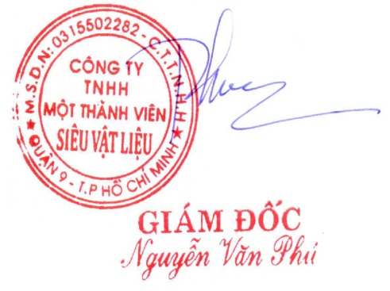
SUPER MATERIALS ONE MEMBER COMPANY LIMITED
Tax Code. 0315502282 | Postal Code. 700000
A. 201/15 Le Van Viet Street, Hiep Phu Ward, District 9, Ho Chi Minh City, Vietnam
T. +84 98 9944 746 | F. -
E. sales@ss-materials.com | W. www.ss-materials.com

PURCHASE ORDER
 |  |  |  | PO No.: 280619/PO/SM-Ti
 |  |  |  |  |  | Date: June 28, 2019
FROM: SUPER MATERIALS ONE MEMBER COMPANY LIMITED 201/15 Le Van Viet Street, Hiep Phu Ward, District 9, Ho Chi Minh City, Vietnam T. +84 98 9944 746 | F. - |  |  |  | TO: TITANIUM INDUSTRIES No 31, Wuquan 3rd Rd., New Taipei Industrial Park, New Taipei City 24891, Taiwan T. +886 963935363 | F. +886 222988779 Attn: Mr. KC Hoh

Thank you for your offer, we are pleased to ORDER the following materials:

No. | Items and Description |  |  | Quantity (Pc) | Unit Price (USD/pc) |  | Total Price (USD)

1 | Round bar Titanium Grade 2 |  |  | 1 |  | 350.0 |  | 350.0
 | Spec: ASTM B348 Gr. 2 MILL ORIGIN: TSI Titanium / USA Heat No.: HN6863
 | Size: 1.75”DIA X 27"LG
2 | Deposit |  |  | 1 |  | 113.3 |  | 113.3

TOTAL |  | Ex-Works USA |  |  | USD |  | 236.7

* Lead time: |  |  | Maximum 01 weeks upon receipt of advanced payment.
* Delivery term: |  |  | Ex-Works USA.
* Payment: |  |  | 100% in advance.
* Required documents: |  |  | Mill Test Reports (certified as true copy), Certificate of Origin, Commercial Invoice, Packing List.

* Packing & marking: |  |  | Standard packing for export; Have original marking on round bar; Send pictures about materials before and after and packing.

*Please attach carefully all the required documents mentioned above in/on the cargo. **All banking expenses inside Vietnam are covered by Buyer and all banking expenses outside Vietnam has to be covered by Seller.

Thanks & Best Regards,
CONFIRMATION OF BUYER |  |  |  |  | CONFIRMATION OF SELLER

